NY Police Budgets
 | Population | Total Revenue | Police 2021 | Police 2022 | % Towards Police | Police spending per capita | Increase from year prior
Albany | 99,224 | $189,807,123 | $55,053,943 | $56,378,285 | 29.70% | $568.19 | 2.41%
Binghamton | 47,969 | $64,291,004 | $12,576,992 | $13,595,205 | 21.15% | $283.42 | 8.10%
Buffalo | 278,349 | $534,577,394 | $86,053,364 | $85,310,225 | 15.96% | $306.49 | -0.86%
Glens Falls | 14,830 | $18,566,730 | $4,803,674 | $4,754,532 | 25.61% | $320.60 | -1.02%
Ithaca | 32,108 | $77,706,416 | $12,523,756 | $14,809,679 | 19.06% | $461.25 | 18.25%
Kingston | 24,069 | $41,783,527 | $11,769,523 | $11,916,362 | 28.52% | $495.09 | 1.25%
Newburgh | 28,856 | $54,545,455 | $14,811,350 | $15,342,828 | 28.13% | $531.70 | 3.59%
Poughkeepsie | 31,577 | $91,058,318 | $14,860,254 | $14,919,545 | 16.38% | $472.48 | 0.40%
Rochester | 211,328 | $560,867,400 | $95,269,900 | $90,802,800 | 16.19% | $429.68 | -4.69%
Schenectady | 67,047 | $97,362,233 | $20,099,391 | $22,798,774 | 23.42% | $340.04 | 13.43%
Syracuse | 148,620 | $266,204,936 | $46,915,255 | $47,916,893 | 18.00% | $322.41 | 2.13%
Troy | 51,401 | $77,977,765 | $22,631,414 | $22,893,798 | 29.36% | $445.40 | 1.16%
Watertown | 24,685 | $45,265,948 | $8,920,249 | $10,043,792 | 22.19% | $406.88 | 12.60%

Percent of Total Revenue Spent on Police by City
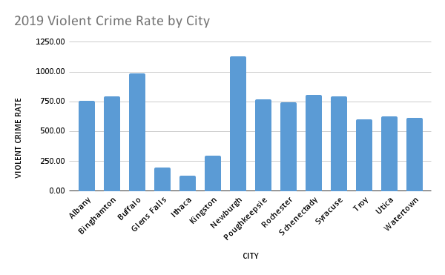

Police Spending Per Capita by City

Out of State Comparisons
City | Population | Total Revenue | Police 2022 | Percent of Total Revenue Spent on Police | Police spending per capita
Albany, NY | 99,224 | $189,807,123 | $56,378,285 | 29.70% | $568.19
Hartford, CT | 121,054 | $583,959,158 | $48,274,513 | 8.27% | $398.78
New Bedford, MA | 101,079 | $383,094,301 | $24,725,795 | 6.45% | $244.62
New Rochelle, NY | 79,726 | $244,479,592 | $28,806,427 | 11.78% | $361.32
Roanoke, VA | 100,011 | $307,630,000 | $13,054,888 | 4.24% | $130.53

Police Share of Revenue by City
 | Police Spending 2022

APD Budgets by Year
Albany Police Department Adopted Budgets by Year
Year | APD | CPRB
2002 | $27,786,630 | $250,000
2003 | $30,296,958 | $250,000
2004 | $33,694,094 | $250,000
2005 | $36,923,735 | $250,000
2006 | $38,098,645 | $250,000
2007 | $40,214,418 | $250,000
2008 | $43,256,449 | $250,000
2009 | $43,524,618 | $250,000
2010 | $45,702,386 | $250,000
2011 | $46,843,245 | $250,000
2012 | $48,396,964 | $250,000
2013 | $52,159,597 | $250,000
2014 | $52,990,661 | $250,000
2015 | $54,212,704 | $250,000
2016 | $53,636,111 | $250,000
2017 | $53,575,129 | $250,000
2018 | $52,883,611 | $250,000
2019 | $53,854,273 | $250,000
2020 | $54,266,365 | $250,000
2021 | $55,053,943 | $250,000
2022 | $56,378,285 | $250,000

FBI Crime Data 2019
FBI Data - 2019 Crime in New York
CITY | Population | Violent crime | Murder and nonnegligent manslaughter | Rape | Robbery | Aggravated assault | Property crime | Burglary | Larceny- theft | Motor vehicle theft | VIOLENT CRIME RATE
Albany | 97,221 | 736 | 4 | 60 | 189 | 483 | 2,919 | 445 | 2,315 | 159 | 757.04
Binghamton | 44,475 | 355 | 2 | 42 | 66 | 245 | 1,907 | 417 | 1,429 | 61 | 798.20
Buffalo | 255,686 | 2,533 | 47 | 121 | 802 | 1,563 | 8,298 | 1,610 | 6,009 | 679 | 990.67
Glens Falls | 14,306 | 28 | 0 | 8 | 1 | 19 | 100 | 18 | 80 | 2 | 195.72
Ithaca | 31,122 | 41 | 1 | 5 | 9 | 26 | 840 | 56 | 768 | 16 | 131.74
Kingston | 22,844 | 68 | 2 | 13 | 10 | 43 | 498 | 59 | 419 | 20 | 297.67
Newburgh | 28,070 | 317 | 3 | 19 | 82 | 213 | 640 | 137 | 484 | 19 | 1129.32
Poughkeepsie | 30,422 | 235 | 3 | 26 | 63 | 143 | 513 | 73 | 402 | 38 | 772.47
Rochester | 205,769 | 1,540 | 33 | 102 | 429 | 976 | 7,142 | 1,269 | 5,222 | 651 | 748.41
Schenectady | 65,504 | 528 | 3 | 56 | 133 | 336 | 1,770 | 248 | 1,392 | 130 | 806.06
Syracuse | 142,438 | 1,129 | 19 | 105 | 246 | 759 | 4,464 | 850 | 3,051 | 563 | 792.63
Troy | 49,286 | 296 | 3 | 25 | 73 | 195 | 1,365 | 225 | 1,035 | 105 | 600.58
Utica | 59,842 | 374 | 6 | 31 | 143 | 194 | 1,986 | 261 | 1,635 | 90 | 624.98
Watertown | 25,102 | 154 | 0 | 57 | 14 | 83 | 887 | 108 | 743 | 36 | 613.50

VIOLENT CRIME RATE vs. CITY

